Sheet1
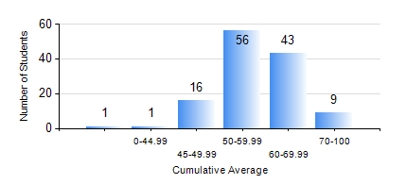
 |  |  | KWAME NKRUMAH UNIVERSITY OF SCIENCE AND TECHNOLOGY, KUMASI Department of Geological Engineering

 |  |  | BSC. GEOLOGICAL ENG.

 |  |  | COMPREHENSIVE RECORD OF EXAMINATION RESULTS

 |  |  | RESULTS OF YEAR 4 FIRST SEMESTER, 2019/2020 ACADEMIC YEAR

 | Sn | Course Code |  | Course Name | Credit Hours | Min. Mark | Max. Mark | Avg. Mark | Std. Dev. | No. Passed | No. Trailed | No. (Df) | No. (I) | No. (I*) | No. Tagged(I,I*,Df) | Total
 | 0. |  |  |  |  |  |  | 0 | 0 | 0 | 0 | 0 | 0 | 0 | 0 | 4
 | 1. | CE 477 |  | GEOTECHNICAL ENGINEERING I | 3 | 0 | 79 | 49 | 15.09 | 93 | 29 | 0 | 0 | 0 | 0 | 122
 | 2. | GED 451 |  | REGIONAL GEOLOGY | 3 | 40 | 82 | 64 | 10.4 | 122 | 0 | 0 | 0 | 0 | 0 | 122
 | 3. | GED 457 |  | PROJECT 1 | 3 | 58 | 82 | 72 | 5.27 | 122 | 0 | 0 | 0 | 0 | 0 | 122
 | 4. | GED 459 |  | EXPLORATION GEOCHEMISTRY | 2 | 28 | 88 | 62 | 12.16 | 120 | 2 | 0 | 0 | 0 | 0 | 122
 | 5. | GED 461 |  | EXPLORATION GEOPHYSICS | 2 | 24 | 94 | 57 | 15.45 | 106 | 16 | 0 | 0 | 0 | 0 | 122
 | 6. | GED 465 |  | ENGINEERING GEOLOGICAL INVESTIGATIONS | 2 | 20 | 84 | 54 | 13.53 | 106 | 16 | 0 | 0 | 0 | 0 | 122
 | 7. | GED 471 |  | INDUSTRIAL TRAINING | 0 | 41 | 89 | 69 | 8.84 | 121 | 0 | 0 | 0 | 0 | 0 | 121
 | 8. | GED 475 |  | PRINCIPLES OF HYDROGEOLOGY | 3 | 26 | 89 | 60 | 15.19 | 114 | 8 | 0 | 0 | 0 | 0 | 122

